data
x_axis | y_axis
2029 | 0.08875739645
2030 | 0.097633136095
2031 | 0.11094674556
2032 | 0.11538461538
2033 | 0.11538461538
2034 | 0.12426035503
2035 | 0.13313609467
2036 | 0.1375739645
2037 | 0.14644970414
2038 | 0.15088757396
2039 | 0.15976331361
2040 | 0.16863905325
2041 | 0.16420118343
2042 | 0.18195266272
2043 | 0.19082840237
2044 | 0.19970414201
2045 | 0.19526627219
2046 | 0.2174556213
2047 | 0.22189349112
2048 | 0.23076923077
2049 | 0.23964497041
2050 | 0.24852071006
2051 | 0.2573964497
2052 | 0.25295857988
2053 | 0.27514792899
2054 | 0.27071005917
2055 | 0.28846153846
2056 | 0.29733727811
2057 | 0.29733727811
2058 | 0.31952662722
2059 | 0.32840236686
2060 | 0.33727810651
2061 | 0.35059171598
2062 | 0.35946745562
2063 | 0.36834319527
2064 | 0.38165680473
2065 | 0.39053254438
2066 | 0.39940828402
2067 | 0.41272189349
2068 | 0.42603550296
2069 | 0.42603550296
2070 | 0.44822485207
2071 | 0.46153846154
2072 | 0.47485207101
2073 | 0.48372781065
2074 | 0.48372781065
2075 | 0.51035502959
2076 | 0.52366863905
2077 | 0.51923076923
2078 | 0.5325443787
2079 | 0.56360946746
2080 | 0.57692307692
2081 | 0.59023668639
2082 | 0.59023668639
2083 | 0.61686390533
2084 | 0.63017751479
2085 | 0.63017751479
2086 | 0.66568047337
2087 | 0.67899408284
2088 | 0.69230769231
2089 | 0.7100591716
2090 | 0.72781065089
2091 | 0.74112426036
2092 | 0.74112426036
2093 | 0.77662721893

picture
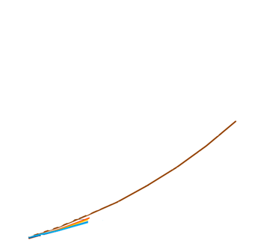

picture_original
